Que 1
Que 1 Histrogram

10
13
18
22
27
32
38
40
45
51
56
57
88
90
92
94
99

Que 2
Statistic Que 2

sum
t=2.0639 x+ta/2 s/n
520-2.0639(80/25)=486.978 upper p
520-2.0639(80/25)=553.022 lower p

 | 486.978 | 553.022

a | b | c
2.50% | 80% | 2.50%

Que 3
The exact Z value holding 90% of the values below it is 1.282 which was determined from a table of standard normal probabilities with more precision. Using Z=1.282 the 90th percentile of BMI for men is: X = 29 + 1.282(6) = 36.69. and for
99 percentile of BMI IS 2.326

Que 4
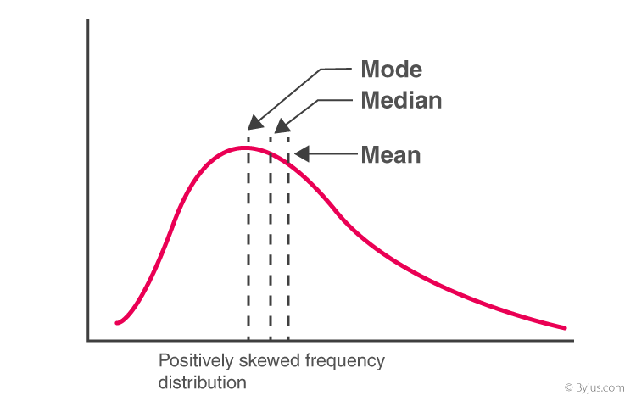
In left & right-skewed data, what is the relationship between mean, median & mode?
Draw the graph to represent the same.

 | MEAN | MODE | MEDIAN
 | A | B | C
 | 25 | 99 | 26

